Cover Page

 | experts evolving energy

 | Sustain-H Value Calculator
 | Client: Western Power Distribution


 | CLIENT | Western Power Distribution
 | DOCUMENT No. | WESTERN002-ST-C-01
 | REVISION | E
 | ISSUE DATE | 23-Jul-20
 | STATUS | Final
 | PREPARED BY | Freya Espir
 | CHECKED BY | Nithin Rajavelu
 | APPROVED BY | Nithin Rajavelu

Disclaimer | This document has been prepared and is issued by Everoze Partners Limited to the named Client in accordance with the contract dated 9/12/2019 and subsequent Variation dated 21/05/2020. This governs how and by whom this report should be read and used. The associated NIA code is WPD_NIA_047.

Sustain-H Value Calculator
Sustain-H Value Calculator

Complete the 5 steps below to generate an estimate of revenue from Sustain-H over the initial 9-month period. For further background on the Sustain-H service, consult accompanying Sustain-H slidepack and report.

Please amend cells with green text in a grey box

A. USER INPUTS

Portfolio make-up
The number of properties and the asset make-up of the portfolio impacts the calculated baseline for the portfolio. User to ensure that number of assets in the portfolio is at least equal to the number of households - ie., each household has at least one of these low carbon technology assets.
Note:
(1) For the heatpump technology type, select between (i) an air-source heat pump with electrical resistive heating back-up, or (ii) a hybrid heatpump system which uses a gas boiler back-up.
(2) WPD are in the final stages of revising the diversified demand profiles for EV charging demand - this is anticipated to be available before October 2020 (however this is not a firm expectation). The new EV charging demand profiles, when available, will be included in an updated version of this tool.
1. Input portfolio details
These are indicative placeholder values - user to input values specific to their portfolio
Enter the number of households in your portfolio in the winter season |  | 200
Enter the number of each asset in your portfolio in the winter season:
EV charger |  | 100
Battery |  | 50
Heatpump |  | 50
Please enter the type of heatpump |  | ASHP w/ electric back-up

Enter the numer of households in your portfolio in the summer season |  | 50
Enter the number of each asset in your portfolio in the summer season:
EV charger |  | 20
Battery |  | 20
Metering option
Demand is measured and assessed on an aggregate portfolio basis, and Flexibility Providers shall use either the household HH smart meters or asset-level metering for evidencing delivery. Asset-level metering only measure the demand of the assets, whereas the household metering option takes a whole household view of the demand.
Heatpump |  | 10
Please enter the type of heatpump |  | ASHP w/ electric back-up

2. Select metering option used
 |  | Household

3. Select Delivery Periods
 |  | DAYTIME 8AM - NOON | EVENING 4-8PM
 | WINTER NOV - FEB | Delivery Period 1 | Delivery Period 2
 |  | Yes | Yes
 | SUMMER MAR - JUL | Delivery Period 3 | Delivery Period 4
 |  | Yes | Yes

Target Demand
Flexibility Providers reduce demand to a level at or below a pre-agreed Target Demand (the drop-to demand level) and hold this over the Delivery Period. The Flexibility Provider defines a Target Demand that is suitable for their portfolio, and manages the delivery risk of meeting the Target Demand that it defines.
Note: If the Target Demand for a particular Delivery Period is less than the Baseline Demand for the portfolio, the Contracted Flexible Capacity is shown as 0 kW
4. Enter your portfolio's Target Demand
These are indicative placeholder values - user to input values specific to their portfolio
Delivery Period 1 - winter, 8am - noon |  | 200.0 | [kW]
Delivery Period 2 - winter, 4 - 8pm |  | 400.0 | [kW]
Delivery Period 3 - summer, 8am - noon |  | 30.0 | [kW]
Delivery Period 4 - summer, 4 - 8pm |  | 50.0 | [kW]

5. Estimate the Performance Factor that your portfolio will achieve
Performance Factor
Service delivery is assessed on a day-by-day basis, based on the highest HH metered demand over the delivery period. A Performance Factor (between 0-1) is calculated as the ratio of the achieved demand reduction and the Contracted Flexible Capacity. This Performance Factor is used to calculate the payment score for the day based on the graph shown in the WORKING sheet. The daily payment score calculated is averaged over the month to arrive at the monthly payment score to use in the payment assessment for the month.
Values entered must be between 0 and 1. Enter 1 for meeting 100% contracted delivery
Delivery Period 1 - winter, 8am - noon |  | 1
Delivery Period 2 - winter, 4 - 8pm |  | 1
Delivery Period 3 - summer, 8am - noon |  | 1
Delivery Period 4 - summer, 4 - 8pm |  | 1

B. CALCULATIONS OF MONTHLY PAYMENT
Monthly Payment
=
Tariff
(£1.8/kW/month)
X
Contracted Flexible Capacity
X
Payment score
X
Data de-rating factor
(fixed at 1)

 |  |  |  | Monthly Payment |  | Payment over season
 |  | Contracted Flexible Capacity |  | Portfolio | Per home | Portfolio | Per home
 | Delivery Period 1: Winter, 8am-noon | 63.7 | [kW] | £114.66 | £0.57 | £458.64 | £2.29
 | Delivery Period 2: Winter, 4-8pm | 144.4 | [kW] | £259.92 | £1.30 | £1,039.68 | £5.20
 | Delivery Period 3: Summer, 8am-noon | 9.8 | [kW] | £17.64 | £0.35 | £88.20 | £1.76
 | Delivery Period 4: Summer, 4-8pm | 7.9 | [kW] | £14.22 | £0.28 | £71.10 | £1.42

 |  |  |  |  | Total over 9 months | £1,657.62

Total Estimated Payment
 | Delivery Period 1: Winter, 8am-noon | Delivery Period 2: Winter, 4-8pm | Delivery Period 3: Summer, 8am-noon | Delivery Period 4: Summer, 4-8pm
Nov | 114.66 | 259.92
Dec | 114.66 | 259.92
Jan | 114.66 | 259.92
Feb | 114.66 | 259.92
Mar |  |  | 17.64 | 14.22
Apr |  |  | 17.64 | 14.22
May |  |  | 17.64 | 14.22
Jun |  |  | 17.64 | 14.22
Jul |  |  | 17.64 | 14.22

WORKING
CALCULATED BASELINE DEMAND FOR PORTFOLIO AND METERING OPTION

Delivery Period 1 - winter, 8am - noon |  |  | 263.7 | [kW]
Delivery Period 2 - winter, 4 - 8pm |  |  | 544.4 | [kW]
Delivery Period 3 - summer, 8am - noon |  |  | 39.8 | [kW]
Delivery Period 4 - summer, 4 - 8pm |  |  | 57.9 | [kW]

CALCULATED CONTRACTED FLEXIBLE CAPACITY FOR PORTFOLIO

Delivery Period 1 - winter, 8am - noon |  |  | 63.7 | [kW]
Delivery Period 2 - winter, 4 - 8pm |  |  | 144.4 | [kW]
Delivery Period 3 - summer, 8am - noon |  |  | 9.8 | [kW]
Delivery Period 4 - summer, 4 - 8pm |  |  | 7.9 | [kW]

CALCULATED PAYMENT SCORE FROM PERFORMANCE FACTOR

 |  |  | Performance Factor | Payment Score
Delivery Period 1: Winter, 8am-noon |  |  | 1 | 1.00
Delivery Period 2: Winter, 4-8pm |  |  | 1 | 1.00
Delivery Period 3: Summer, 8am-noon |  |  | 1 | 1.00
Delivery Period 4: Summer, 4-8pm |  |  | 1 | 1.00

Payment Score

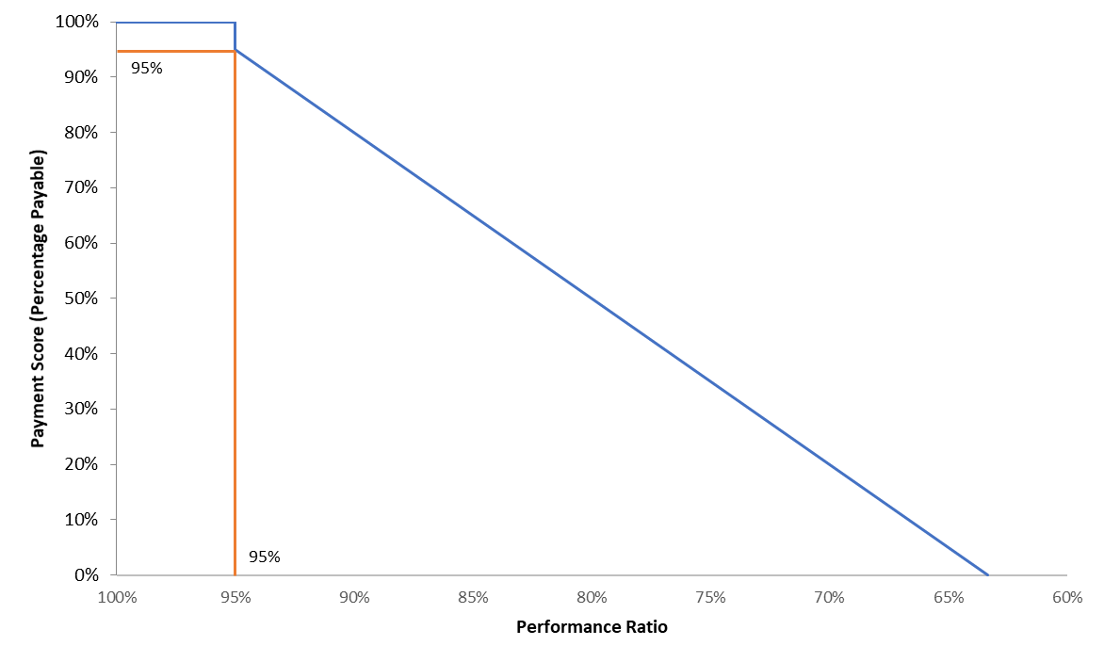
Percentage payable when Performance Factor drops below 95 % |  | 95%

Performance Factor Reduction Gradient (after 95% reduction in performance) |  | 3%

Performance Ratio | Payment Score
100% | 100%
95% | 100%
<95% | 95%
63% | 0%

32% | 95%
 | 3%

DATA OPTION DERATING FACTOR

No data option de-rating is used for the Sustain-H Trial
Delivery Period 1: Winter, 8am-noon |  |  |  | 1
Delivery Period 2: Winter, 4-8pm |  |  |  | 1
Delivery Period 3: Summer, 8am-noon |  |  |  | 1
Delivery Period 4: Summer, 4-8pm |  |  |  | 1

SUSTAIN-H SERVICE VALUE ESTIMATES

 |  |  | Monthly Payment (portfolio) £/month | Monthly Payment (net payment score) (£/month)
Delivery Period 1: Winter, 8am-noon |  |  | 114.66 | 114.66
Delivery Period 2: Winter, 4-8pm |  |  | 259.92 | 259.92
Delivery Period 3: Summer, 8am-noon |  |  | 17.64 | 17.64
Delivery Period 4: Summer, 4-8pm |  |  | 14.22 | 14.22

SUSTAIN-H MONTHLY PAYMENT ESTIMATES

Months | Payment | Delivery Period 1: Winter, 8am-noon | Delivery Period 2: Winter, 4-8pm | Delivery Period 3: Summer, 8am-noon | Delivery Period 4: Summer, 4-8pm
Nov | 374.58 | 114.66 | 259.92
Dec | 374.58 | 114.66 | 259.92
Jan | 374.58 | 114.66 | 259.92
Feb | 374.58 | 114.66 | 259.92
Mar | 31.86 |  |  | 17.64 | 14.22
Apr | 31.86 |  |  | 17.64 | 14.22
May | 31.86 |  |  | 17.64 | 14.22
Jun | 31.86 |  |  | 17.64 | 14.22
Jul | 31.86 |  |  | 17.64 | 14.22

HEATPUMP TECHNOLOGY SELECTION

ASHP w/ electric back-up
Hybrid heatpump w/ gas back-up

